Weekly Progress Report
MODON - Weekly Progress Report - Construction Projects |  |  |  |  |  |  |  |  |  |  |  |  |  |  |  |  |  |  |  |  |  |  |  |  |  |  |  |  |  |  | Data Date | 18-Oct-26
Contract General Information |  |  |  |  |  | Key Dates |  |  |  |  |  | Cost Summary (SR) |  |  |  |  |  |  |  | Performance Summary |  |  |  |  |  | Project Scope
Project Name | Playgrounds Initiative - Qassim, Hail & Tabuk |  |  |  |  | Contract Award | 6-Jan-26 | Contract Award (Hijri) | 06/01/2026 | Revised Completion | 16-Dec-26 | Original Contract Value |  | 35,709,993 |  | O&M Value (if any) |  | 0 |  | Plan Value | 80.32% | Phys. Plan Value | 80.25% | Quality Score | 91.3% | Construction of Playgrounds Initiatives at 03 Location(Qassim, Hail, Tabuk). The project includes civil, architectural, electrical, mechanical and landscape works, as well as general site works, according to the plans and technical specifications.
Project ID | MLTX-02-003 |  | Stage | Construction |  | Contract Sign | 17-Feb-26 | Contract Sign (Hijri) | 17/02/2026 | Committed Completion | 16-Dec-26 | Revised Contract Value |  | 35,709,993 |  | Submitted Invoices (Gross Value) |  | 2,317,493 |  | Earn Value | 69.00% | Phys. Earn Value | 74.79% |  | ¢¢¢¢¢ ¢¢¢¢£
Contractor | Advanced Construction & Contracting Company |  | Status | Active |  | Site Handover | 17-Feb-26 | Site Handover (Hijri) | 17/02/2026 | Forecast Completion | 7-Feb-27 | Estimate At Completion Value |  | 35,709,993 |  | Penalities |  | (250,749) |  | Variance | (11.3%) | Variance | (5.5%) | Safety Score | 91.3%
Consultant | Egis |  | Modon PM | Bader Alrowaidan |  | Original Completion | 16-Dec-26 | Original Completion (Hijri) | 16/12/2026 | Variance | (53) | Potential Changes |  | 0 |  | FIR Value (Todate) |  | 3,298,583 |  | FIR % | 9% | Invoiced % | 6% |  | ¢¢¢¢¢ ¢¢¢¢£

Progress Overview
Earned Value Progress (SAR) |  |  |  |  |  |  |  |  |  |  |  |  |  | Physical Progress (Effort) |  |  |  |  |  |  |  |  |  |  |  | Earned Value Progress (%)
WBS |  | BOQ Value (SAR) | % Wt. | Weekly (SAR) |  | To Date (SAR) |  |  |  |  |  |  |  | Budgeted | % Wt. | Weekly Physical Progress |  |  |  | To Date Physical Progress
 |  |  |  | Planned | Earned | Original Plan | Revised Planned | Earned | Original Plan % | Revised Planned % | Earned % | Variance | SPI | (Manhours) |  | Planned | Earned | Plan % | Earned % | Planned | Earned | Plan % | Earned % | Variance | SPI
PROJECT MILESTONE |  | - | 0.0% | - | - | - | - | - | 0.0% | 0.0% | 0.0% | 0.0% |  | 10,000 | 30.0% | 227 | 885 | 2.3% | 8.9% | 7,927 | 7,935 | 79.3% | 79.4% | 0.1% | 1.00
MOBILIZATION |  | - | 0.0% | - | - | - | - | - | 0.0% | 0.0% | 0.0% | 0.0% |  | - | 0.0% | - | - | 0.0% | 0.0% | - | - | 0.0% | 0.0% | 0.0%
ENGINEERING |  | 1,071,300 | 3.0% | 1,090,347.18 | 1,090,347.18 | 1,071,299.79 | 1,071,299.79 | 1,071,299.79 | 100.0% | 100.0% | 100.0% | 0.0% | 1.00 | - | 0.0% | - | - | 0.0% | 0.0% | - | - | 0.0% | 0.0% | 0.0%
PROCUREMENT |  | 9,641,698 | 27.0% | 9,813,124.62 | 8,945,474.82 | 9,641,698.11 | 9,641,698.11 | 8,769,229.70 | 100.0% | 100.0% | 91.0% | -9.0% | 0.91 | - | 0.0% | - | - | 0.0% | 0.0% | - | - | 0.0% | 0.0% | 0.0%
CONSTRUCTION |  | 21,425,996 | 60.0% | 17,500,389.80 | 13,921,267.06 | 17,861,236.65 | 17,861,236.65 | 14,189,804.91 | 83.4% | 83.4% | 66.2% | -17.1% | 0.79 | 22,188 | 66.6% | 23,717 | 21,229 | 106.9% | 95.7% | 18,795 | 16,835 | 84.7% | 75.9% | -8.8% | 0.90
CLOSEOUT |  | 3,570,999 | 10.0% | 109,034.72 | 571,523.92 | 107,129.98 | 107,129.98 | 610,206.45 | 3.0% | 3.0% | 17.1% | 14.1% | 5.70 | 1,152 | 3.5% | 44 | 206 | 3.8% | 17.9% | 33 | 165 | 2.9% | 14.3% | 11.5% | 5.00
Earned Value - Cost
 | Baseline Plan | Revised / Recovery Plan | Earned Value | Forecast | Gross Paid Value
Feb-26 | 0.00% |  | 0.05% | 0.1% | 6.5%
Mar-26 | 2.22% |  | 2.22% | 2.2% | 6.5%
Apr-26 | 7.51% |  | 7.51% | 7.5% | 6.5%
May-26 | 16.34% |  | 16.34% | 16.3% | 6.5%
Jun-26 | 29.47% |  | 29.47% | 29.5% | 6.5%
Jul-26 | 38.39% |  | 35.49% | 35.5% | 6.5%
Aug-26 | 62.00% |  | 51.96% | 52.0% | 6.5%
Sep-26 | 73.81% |  | 62.77% | 62.8% | 6.5%
Oct-26 | 84.45% |  | 69.00% | 75.1% | 6.5%
Nov-26 | 95.01% |  | 69.00% | 84.0% | 6.5%
Dec-26 | 100.00% |  | 69.00% | 90.6% | 6.5%
Jan-27 |  |  | 69.00% | 98.0% | 6.5%
Feb-27 |  |  | 69.00% | 100.0%
 | Total | 35,709,993 | 100.0% | 28,512,896 | 24,528,613 | 28,681,365 | 28,681,365 | 24,640,541 | 80.32% | 80.32% | 69.00% | -11.32% | 0.86 | 33,340 | 100.0% | 23,988 | 22,320 | 71.95% | 66.95% | 26,755 | 24,935 | 80.25% | 74.79% | -5.46% | 0.93
Physical Progress - Effort
 | Baseline Plan | Revised / Recovery Plan | Earned Effort % | Forecast
Feb-26 | 1.1% |  | 1.1% | 0.0%
Mar-26 | 4.2% |  | 4.2% | 3.1%
Apr-26 | 11.8% |  | 11.8% | 10.7%
May-26 | 21.3% |  | 21.3% | 20.2%
Jun-26 | 32.2% |  | 32.2% | 31.1%
Jul-26 | 44.0% |  | 40.3% | 39.2%
Aug-26 | 58.5% |  | 57.2% | 56.1%
Sep-26 | 72.1% |  | 66.9% | 65.8%
Oct-26 | 85.8% |  | 74.8% | 81.2%
Nov-26 | 96.3% |  | 74.8% | 90.2%
Dec-26 | 100.0% |  | 74.8% | 96.8%
Jan-27 |  |  | 74.8% | 99.8%
Feb-27 |  |  | 74.8% | 100.0%
 |  |  |  |  |  |  |  |  |  |  |  |  |  |  |  |  |  |  |  |  |  |  |  |  |  | Construction Milestones
 |  |  |  |  |  |  |  |  |  |  |  |  |  |  |  |  |  |  |  |  |  |  |  |  |  | Item No. | Milestones |  | Original (Baseline) | Latest Plan | Forecast | Status | Days Change
 |  |  |  |  |  |  |  |  |  |  |  |  |  |  |  |  |  |  |  |  |  |  |  |  |  | 1 | Award Date |  | 6-Jan-26 | 6-Jan-26 | 6-Jan-26 | A | 0
 |  |  |  |  |  |  |  |  |  |  |  |  |  |  |  |  |  |  |  |  |  |  |  |  |  | 2 | Contract Sign Date |  | 17-Feb-26 | 17-Feb-26 | 17-Feb-26 | A | 0
 |  |  |  |  |  |  |  |  |  |  |  |  |  |  |  |  |  |  |  |  |  |  |  |  |  | 3 | Site Handover Date |  | 17-Feb-26 | 17-Feb-26 | 17-Feb-26 | A | 0
 |  |  |  |  |  |  |  |  |  |  |  |  |  |  |  |  |  |  |  |  |  |  |  |  |  | 4 | Complete Mobilization |  | 18-Mar-26 | 18-Mar-26 | 14-Apr-26 | A | 0
 |  |  |  |  |  |  |  |  |  |  |  |  |  |  |  |  |  |  |  |  |  |  |  |  |  | 7 | Complete Construction |  | 14-Dec-26 | 14-Dec-26 | 23-Jan-27 | F | (40)
 |  |  |  |  |  |  |  |  |  |  |  |  |  |  |  |  |  |  |  |  |  |  |  |  |  | 8 | Complete all Works including Testing & Commissioning, Cleanup, Closeout Documentation and Ready for Initial Handover |  | 16-Dec-26 | 16-Dec-26 | 2-Feb-27 | F | (48)
 |  |  |  |  |  |  |  |  |  |  |  |  |  |  |  |  |  |  |  |  |  |  |  |  |  | 9 | Complete Demobilization |  | 16-Dec-26 | 16-Dec-26 | 6-Feb-27 | F | (52)
 |  |  |  |  |  |  |  |  |  |  |  |  |  |  |  |  |  |  |  |  |  |  |  |  |  | 10 | Project Handover |  | 16-Dec-26 | 16-Dec-26 | 7-Feb-27 | F | (53)

Project Status Score
 | Max | Score
SPI (Physical Effort) | 100% | 93%
SPI (Cost) | 100% | 86%
On Schedule -Active | 100% | 42%
Manpower Availability | 100% | 100%
Major Equipment Availability | 100% | 400%
Billing % Compared to Planned | 100% | 103%
Safety Score | 100% | 91%
Quality Score | 100% | 91%
Actual Invoices
 | Monthly Gross Value
 | 1

-

Performance overview
Submittals Status |  |  |  |  |  |  |  |  |  |  | Quality |  |  |  |  |  |  |  |  |  |  | Safety
Shop Drawings |  |  |  |  |  |  |  |  |  |  | Quality Reports |  |  |  |  |  |  |  |  |  |  | Safety Statistics |  |  |  |  |  |  |  | Proactive Vs Reactive Actions Taken
Item Per WBS |  | Total | Total Submitted Drawings |  |  |  |  | Remaining | Pending | Total Submittals | Quality Reports |  | Issued | Closed | Pending | Avg. Closing (Days) | Pending |  |  |  |  | Category | Item |  | This Week |  | This Month | Year to Date | Cumulative
 |  |  | A | B | C | D | Processed |  |  |  |  |  |  |  |  |  | 0-10 Days | 11-20 Days | 21-30 Days | 31-60 Days | > 60 Days
Architectural |  | 58 | 6 | 33 | 2 |  | 39 |  | 17 | 58 |  |  |  |  |  |  |  |  |  |  |  | General | Total Hours Worked |  | 8,160 |  | 15,240 | 97,870 | 97,870 |  |  | Proactive | 531
Civil / Structural |  | 84 |  | 66 |  | 12 | 66 |  | 6 | 84 | Non Conformance (NCR) |  | 17 | 7 | 10 |  | 8 | 2 |  |  |  |  | Safe Hours Worked |  | 8,160 |  | 15,240 | 97,870 | 97,870 |  |  | Reactive | 212
Mechanical |  | 42 | 16 | 22 | 2 |  | 38 |  | 2 | 42 | Site Instruction (SIR) |  | 7 | 6 | 1 |  |  |  | 1 |  |  | Reactive | LTI |  | 0 |  | 0 | 0 | 0
Electrical |  | 98 | 4 | 43 | 12 | 22 | 47 |  | 17 | 98 | Material Inspection (MIR) |  | 76 | 53 | 23 |  | 20 | 3 |  |  |  |  | MTC (Healed w/o Disability) |  | 0 |  | 0 | 0 | 0
Landscape |  | 69 | 4 | 59 | 1 | 3 | 63 |  | 2 | 69 | Field Inspection (FIR) |  | 658 | 488 | 170 |  | 140 | 15 | 15 |  |  |  | MTC (Healed w/ Disability) |  | 0 |  | 0 | 0 | 0
General |  | 42 | 6 | 36 |  |  | 42 |  |  | 42 | TOTAL |  | 758 | 554 | 204 |  | 168 | 20 | 16 | 0 |  |  | Near Miss |  | 0 |  | 0 | 0 | 0
TOTAL |  | 393 | 36 | 259 | 17 | 37 | 295 | 0 | 44 | 393 | Key Submittals Approval Status |  |  |  |  |  |  |  |  |  |  |  | First Aid Cases |  | 0 |  | 0 | 0 | 0
Material Approval |  |  |  |  |  |  |  |  |  |  | 1 Quality Plan Approval |  |  | 0 |  | 6 Baseline Approval |  |  |  | 5-Mar-26 |  |  | Fatality |  | 0 |  | 0 | 0 | 0 | Total Hours Worked Vs Safe Hours Worked
Item Per WBS |  | Total | Total Submitted Material |  |  |  |  | Remaining to approve | Pending | Total Submittals | 2 Quality Plan Last Up |  |  | 12-Mar-26 |  | 7 No of Approved Version of Schedule |  |  |  | 2 |  |  | Fire Incident Cases |  | 0 |  | 0 | 0 | 0
 |  |  | A | B | C | D | Processed |  |  |  | 3 Safety Plan Approval |  |  | 0 |  | 8 Last Approved Schedule |  |  |  | 8-Jul-26 |  |  | Vehicle Incident |  | 0 |  | 0 | 0 | 0
Architectural |  | 41 | 4 | 35 | 1 |  | 39 |  | 1 | 41 | 4 Safety Plan Last Up |  |  | 0 |  | 9 BOQ Approval Date |  |  |  |  |  |  | Property Damages |  | 0 |  | 0 | 0 | 0
Civil / Structural |  | 51 | 1 | 41 | 4 |  | 42 |  | 5 | 51 | 5 Construction Plan Approval |  |  |  |  | 10 No of Approved Version of BOQ |  |  |  |  |  | Proactive | Induction Training |  | 40 |  | 63 | 212 | 212
Mechanical |  | 19 |  | 14 | 1 |  | 14 |  | 4 | 19 | Invoices Summary |  |  |  |  |  |  |  |  |  |  |  | No.of Internal Training |  | 0 |  | 1 | 1 | 1
Contract Value (SR) | 35,709,993
Planned Value (SR) | 28,681,365
Earned Value (SR) | 24,640,541
Submitted (SAR) | 2,317,493
PM Approved (SAR) | -
Total Paid (SAR) | 2,379,606
Electrical |  | 28 |  | 26 | 2 |  | 26 |  |  | 28 | Total Submitted Invoices |  | 0 | Submitted Invoices (SAR) |  |  | 2,317,493 |  | Contract Value (SR) | 35,709,993 |  |  | No.of Internal Audit |  | 0 |  | 0 | 0 | 0
Landscape |  | 2 |  |  |  |  |  |  | 2 | 2 | PM Approved Invoices |  | 0 | PM Approved Invoices (SAR) |  |  | 0 |  | Planned Value (SR) | 28,681,365 |  |  | No. of Toolbox Talks |  | 46 |  | 87 | 530 | 530
General |  |  |  |  |  |  |  |  |  |  |  |  |  |  |  |  |  |  |  |  |  |  | Safety Awards/Incentives |  | 0 |  | 0 | 0 | 0
TOTAL |  | 141 | 5 | 116 | 8 | 0 | 121 | 0 | 12 | 141 | No of Paid Invoices |  | 0 | Paid Invoices (SAR) |  |  | 2,379,606 |  | Earned Value (SR) | 24,640,541
Procurement Summary |  |  |  |  |  |  |  |  |  |  | No of Pending Invoices |  | 0 | Last Submitted Period |  |  | 29/09/2026 |  | Submitted (SAR) | 2,317,493
Item Per WBS |  | Total Materials | Total Number of P.O. | Actual P.O. To Date | Remaining P.O | Material on Site | Remaining Materials | Material Delivery Completion (Date) |  |  | Advance Payment % |  | 0% | Advance Payment (SAR) |  |  | 0 |  | PM Approved (SAR) | 0 |  | Latest Contract Change Order Log
 |  |  |  |  |  |  |  |  |  |  | Retention % |  | 0% | Retention (SAR) |  |  | 0 |  | Total Paid (SAR) | 2,379,606
Architectural |  | 11 | 11 | 7 | 4 | 3 |  |  |  |  | Deduction / Penalties % |  | 0% | Deduction / Penalties (SAR) |  |  | (19,000) |  |  |  |  | CCO No. | Date Added | Description of Change |  |  |  |  | Status | Cost | Sch Impact (Months) | Date Approved | Duration
Civil / Structural |  | 19 | 19 | 15 | 4 | 3 |  |  |  |  | Resources at Site
Mechanical |  | 20 | 20 | 8 | 13 | 1 |  |  |  |  | Head Count - Non Manual |  |  |  | Head Count - Manual |  |  |  | Total Head Count
Electrical |  | 7 | 7 | 3 | 4 | 1 |  |  |  |  | Planned | Actual | Next Month Forecast | Saudi Staff | Planned | Actual | Next Month Forecast | Saudi Staff | Total Plan | Total Actual | Variance
General |  |  |  |  |  |  |  |  |  |  | 8 | 16 | 8 | 2 | 32 | 77 | 20 | 0 | 40 | 93 | 53
TOTAL |  | 57 | 57 | 33 | 25 | 8 | 0 |  |  |  | Manpower Breakdown by Trade |  |  |  |  |  |  | Major Equipment
 | Plan - Monthly | Actual - Monthly | Forecast - Monthly
Feb-26 | 0 | 3
Mar-26 | 15 | 5
Apr-26 | 25 | 30
May-26 | 30 | 35
Jun-26 | 32 | 48
Jul-26 | 45 | 76
Aug-26 | 38 | 72
Sep-26 | 30 | 75
Oct-26 | 25 | 73
Nov-26 | 20 |  | 20
Dec-26 | 15 |  | 15
Primavera P6 Schedule Status |  |  |  |  |  |  |  |  |  |  | Key Trade | Planned | Actual |  |  |  |  | Type | Planned | Actual | Idle
Project Activities Overview |  |  |  |  |  |  |  |  |  |  | Site Engineer | 1 | 3 |  |  |  |  | Spray Machine | 1 | -
Schedule Statistics |  |  |  |  | Active Schedule Activities |  |  |  |  |  | Mason | 1 | 4 |  |  |  |  | Excavator | 1 | 2 |  | Major Quantity Trackers
Total Act. | Not Started | In Progress | Completed | % | Active | Ahead | On | Behind | Flag | 0 | Labor / Helper | 8 | 16 |  |  |  |  | Paving Machine | 1 | - |  | BOQ N0. | Item Description |  |  |  |  | Total Qty | Measu Unit | Plan to Date | Act to Date | Remaining | Variance
1,929 | 86 | 223 | 1,620 | 83.98% | 223 | 43 | 51 | 215 | (121) |  | Plumber | 1 | 4 |  |  |  |  | Crane | 1 | - |  | 2.1.1 | Excavation |  |  |  |  | 29400.00 | m3 | 29400.00 | 29400.00 | 0.00 | 0.00
Critical Path Activities |  |  | Free Float Management (Total) |  |  |  | Failed Start Activities |  |  |  | Electrician | 2 | 4 |  |  |  |  | Dump Truck | 1 | 2 |  | 2.1.2 | Backfilling with selected fill material |  |  |  |  | 29400.00 | m3 | 29400.00 | 29400.00 | 0.00 | 0.00
 |  |  | Greater Than 14 Days |  | Less Than 14 Days |  |  |  |  |  | HVAC Technician | 1 | - |  |  |  |  | Compactor | - | 2 |  | 2.2.1 | Interlock Tiles for parking |  |  |  |  | 7140.00 | m² | 5901.21 | 6640.20 | 499.80 | 738.99
Last Week | This Week | Diff | Last Week | This Week | Last Week | This Week | Last Week | This Week | Flag | 0 | Tile Fixer | 1 | 2 |  |  |  |  | Roller Compactor | - | 2 |  | 2.3.1.2 | Stamped Concrete Floor |  |  |  |  | 7800.00 | m² | 7033.26 | 6630.00 | 1170.00 | -403.26
205 | 174 | 31 | 54 | 39 | 284 | 270 | 77 | 42 | 35 |  | Applicator | 2 | - |  |  |  |  | Grader | - | 1 |  | 2.3.1.3 | Tartan Floor |  |  |  |  | 10950.00 | m² | 9920.70 | 8000.00 | 2950.00 | -1920.70
 |  |  |  |  |  |  |  |  |  |  | ELV Technician | 2 | - |  |  |  |  | Boom Truck | - | 1 |  | 2.3.1.4 | Compacted Natural Ground Soil |  |  |  |  | 33300.00 | m² | 33300.00 | 33300.00 | 0.00 | 0.00
 |  |  |  |  |  |  |  |  |  |  | Facade Technician | 1 | - |  |  |  |  | Pickup Car | - | 3 |  | 2.3.2.3 | Kerb type K4 |  |  |  |  | 27100.00 | L.m | 27100.00 | 27100.00 | 0.00 | 0.00
 |  |  |  |  |  |  |  |  |  |  | Crane Operator | 1 | - |  |  |  |  | Wheel Loader | - | 2 |  | 2.3.4.2.1 | Lawn |  |  |  |  | 19100.00 | m² | 12539.15 | 0.00 | 19100.00 | -12539.15
 |  |  |  |  |  |  |  |  |  |  | Mechanical Technician | 1 | - |  |  |  |  | Water Tanker | - | 1 |  | 2.3.5.1 | Football Playground |  |  |  |  | 7350.00 | m² | 7350.00 | 4400.00 | 2950.00 | -2950.00
 |  |  |  |  |  |  |  |  |  |  | Painter | 1 | - |  |  |  |  | Forklift | - | 2 |  | 15.5.1.5 | Pipe line O.D 25mm PN 10, in depth 0 to 1.5m |  |  |  |  | 11100.00 | m | 10545.00 | 1811.52 | 9288.48 | -8733.48
 |  |  |  |  |  |  |  |  |  |  | Surveyor | 1 | 1 |  |  |  |  | Backhoe | - | 2
 |  |  |  |  |  |  |  |  |  |  | Glass Installer | 1 | - |  |  |  |  | Total | 5 | 20
 |  |  |  |  |  |  |  |  |  |  | Excavator Operator | 1 | 2
 |  |  |  |  |  |  |  |  |  |  | Dump Truck Driver | 1 | 2
 |  |  |  |  |  |  |  |  |  |  | Safety Officer | 1 | 3
 |  |  |  |  |  |  |  |  |  |  | Paving Machine Operator | 1 | -
 |  |  |  |  |  |  |  |  |  |  | Concrete Mason | 1 | -
 |  |  |  |  |  |  |  |  |  |  | Carpenter | 1 | 2
 |  |  |  |  |  |  |  |  |  |  | Gardener | 1 | -
 |  |  |  |  |  |  |  |  |  |  | Backhoe Operator | - | 2
 |  |  |  |  |  |  |  |  |  |  | Wheel loader Operator | - | 2
 |  |  |  |  |  |  |  |  |  |  | Store keeper | - | 2
 |  |  |  |  |  |  |  |  |  |  | Security Guard | - | 3
 |  |  |  |  |  |  |  |  |  |  | Boom Truck Operator | - | 1
 |  |  |  |  |  |  |  |  |  |  | Foreman | - | 4
 |  |  |  |  |  |  |  |  |  |  | Pickup Driver | - | 3
 |  |  |  |  |  |  |  |  |  |  | Steel Fixer | - | 3
 |  |  |  |  |  |  |  |  |  |  | Curbstone Installer | - | 8
 |  |  |  |  |  |  |  |  |  |  | Compactor Operator | - | 2
 |  |  |  |  |  |  |  |  |  |  | Roller Compactor Operator | - | 2
 |  |  |  |  |  |  |  |  |  |  | Forklift Operator | - | 2
 |  |  |  |  |  |  |  |  |  |  | Total | 32 | 77

Weekly Prgoress Photos |  |  |  |  |  |  |  |  |  |  |  |  |  |  |  | Top Issues and Risks
Excavation, Bitumen Coat, Concrete Pouring, Base Course Installation, Asphalt Work, Curbstone Installation, Compaction & Levelling |  |  |  |  |  |  |  |  |  |  |  |  |  |  |  | Top 5 Issues
 |  |  |  |  |  |  |  |  |  |  |  |  |  |  |  | Issue No | Date Identified | Issue Description |  |  |  | Responsible | Action Taken |  |  | Mitigation |  |  |  |  | Current Status | Expected/Actual Closure | Duration Elapsed
 |  |  |  |  |  |  |  |  |  |  |  |  |  |  |  | 1 | 11-Apr-26 | Delay in starting work at Hail site project due to not getting the aoorved work permit |  |  |  | Other | Submit request to BALADI Platform for approval the work permit request |  |  |  |  |  |  |  | Closed | 19-Apr-26
 |  |  |  |  |  |  |  |  |  |  |  |  |  |  |  | 2
 |  |  |  |  |  |  |  |  |  |  |  |  |  |  |  | 3
 |  |  |  |  |  |  |  |  |  |  |  |  |  |  |  | 4
 |  |  |  |  |  |  |  |  |  |  |  |  |  |  |  | 5

Weekly Photos
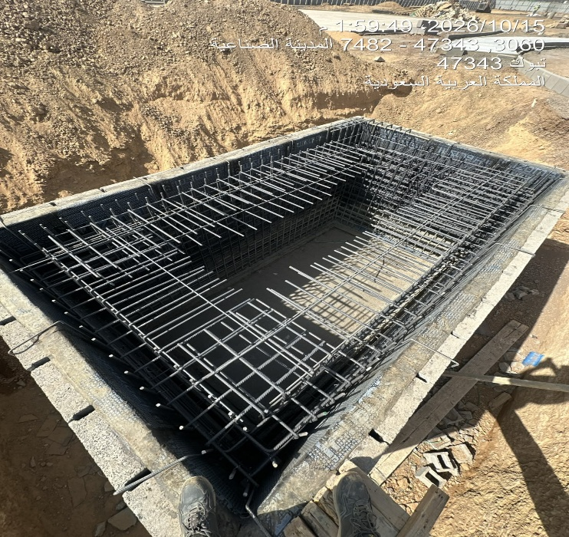
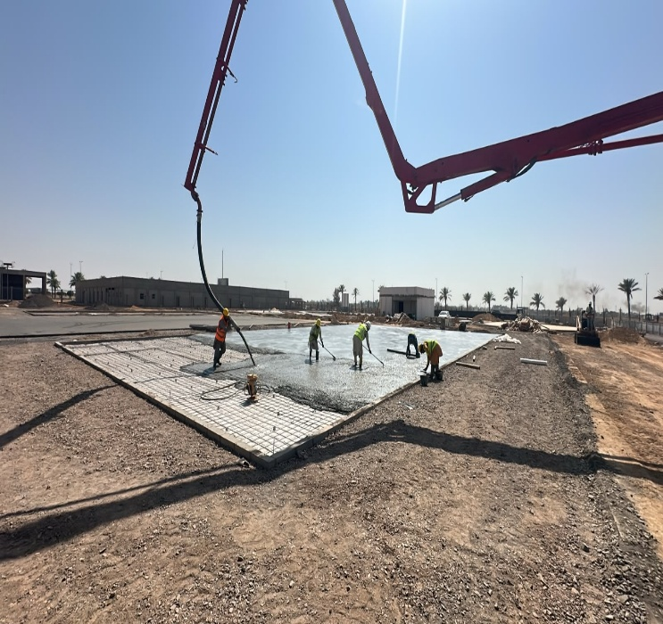
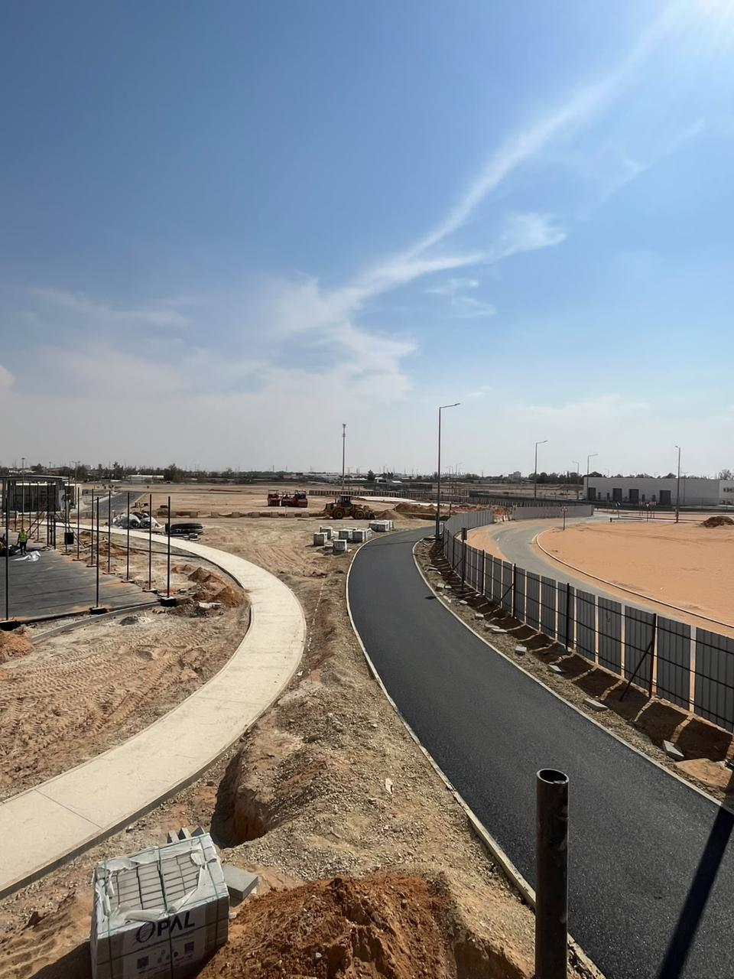
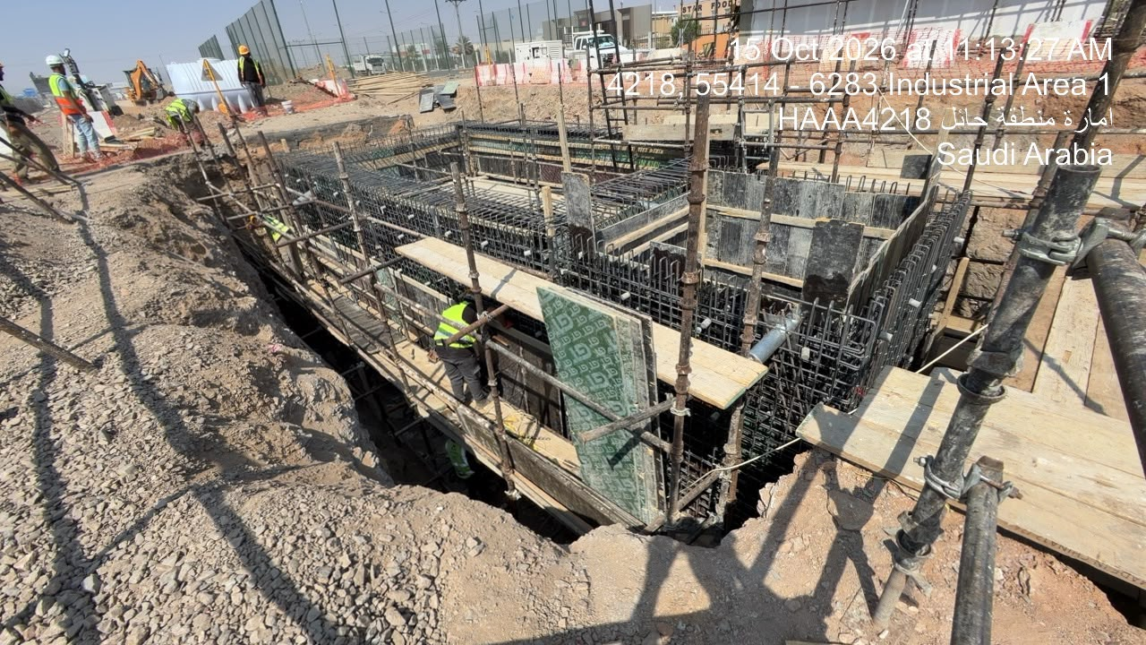
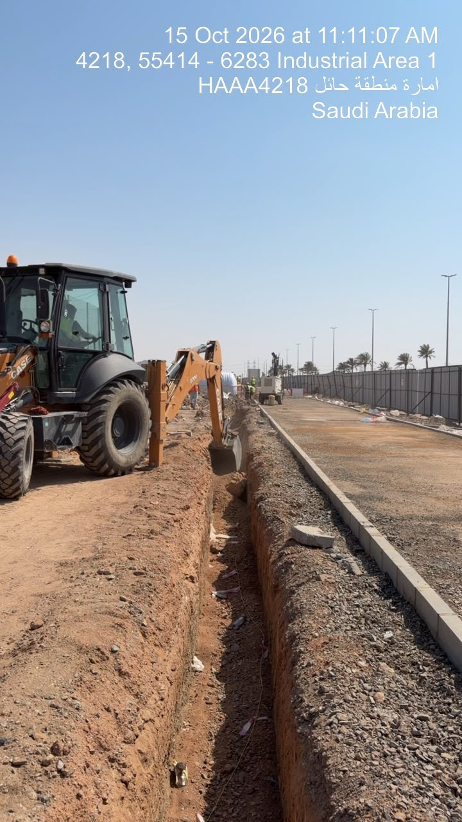
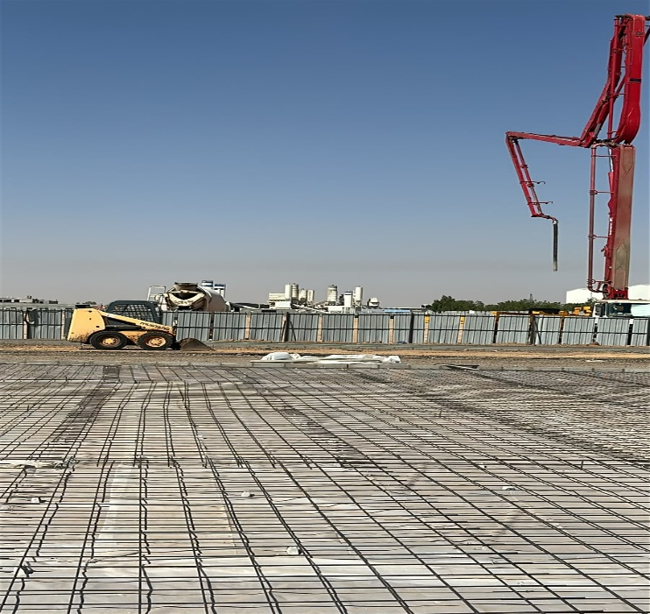
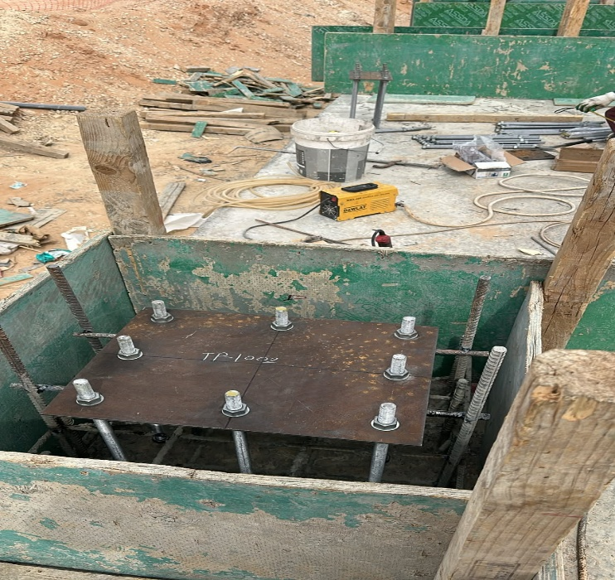
Date | 18-Oct-26

Excavation, Bitumen Coat, Concrete Pouring, Base Course Installation, Asphalt Work, Curbstone Installation, Compaction & Levelling

Risk Register

Department: |  |  |  |  |  |  |  |  | Status Date:
Program |  |  |  |  |  |  |  |  | 12-Apr-26
Project: |  |  | Playground Initiative (Qassim, Hail, Tabuk)
Project No.: |  |  | P030
Project Location: |  |  | Qassim & Hail & Tabuk

 |  |  |  |  |  |  |  |  |  |  |  |  |  |  |  | Before Treatment |  |  |  |  |  |  |  |  |  |  | Post Treatment
Risk Data |  |  |  |  |  | Category |  |  | Risk Description |  |  | Risk Control Dates |  | Risk Manageability | Risk Proximity | Most Likely |  |  | Risk Owner | Risk Response & Treatment Action |  |  |  | Treatment Control Dates |  |  | Most Likely |  |  | Treatment Status
Risk ID | Region | Section / Group | City | Project ID | Risk Status | T/O/I | Internal/External | Category | Cause / Source | Risk | Consequence / Effect | Identified | Closed |  |  | Liklihood | Impact | Risk Score |  | Risk Response Strategy | Treatment Action | Treatment Acton Description | Treatment Action Owner | Start | Due | Closed | Liklihood | Impact | Risk Score
 | Central | Central | Tabuk | MLTX-02-003 | Open | Issue | Issue | Design, Engineering | Delay in obtaining borehole (soil investigation) test results from the laboratory, which requires 7–10 days to issue the final report. | Potential delay in starting excavation activities due to the unavailability of approved soil data, which may impact the overall project schedule. | Excavation works at Tabuk site are on hold until receiving and reviewing the soil test results, leading to a delay in site progress. | 8-Apr-26 |  | Moderate | Overdue | Medium | Low | M6 | Contractor | Mitigate | Expedite soil test results and adjust work sequence | Follow up continuously with the laboratory to expedite the issuance of borehole test results. | Site Engineer | 9-Apr-26 | 19-Apr-26 | 2-May-26 | Medium | Medium | M9 | Close

NOTES:
Risk Status: 1.Open, 2.Closed, or 3.Realized
T/O/I: 1.Threat, 2.Opportunity, or 3.Issue

Category (select 1):
1. Political
2. Legal, Regulatory, Compliance
3. Funding, Finance, Budget
4. Management, Governance, Policies, KPI, Performance
5. Human Resources |  |  |  |  |  |  |  |  |  |  |  |  |  |  |  |  |  |  |  |  |  | `
6. Stakeholders, Authorities, Approvals, Permits
7. Requirements, Specifications, Scope, Procurement, Contract
8. Process, Tools, Technique, Technology
9. Design, Engineering
10. Construction, Execution
11. Testing, Commissioning, Handover
12. Operation, Maintenance

Risk Description (add all 3):
1. Source/Cause
2. Event = Threat, Opportunity, or Issue
3. Consequence/Effect

Risk Response Strategy for Threats: 1.Terminate, 2.Tolerate, 3.Transfer, or 4.Treat
Risk Response Strategy for Opportunities: 1.Ignore, 2.Share, or 3.Enhance/Exploit
Treatment Action: 1.Mitigate, 2.Control, or 3.Fall Back
Treatment Status: 1.Unapproved, 2.Active, or 3.Closed

Risk Level/Score: Likelihood x Highest Impact (Safety, Cost, Schedule, Environment, Quality, or Reputation. See Risk Scoring Matrix tab)

Manpower
MANUAL MANPOWER HISTOGRAM
 | Plan - Monthly | Actual - Monthly | Forecast - Monthly
Feb-26 | 0 | 3
Mar-26 | 15 | 5
Apr-26 | 25 | 30
May-26 | 30 | 35
Jun-26 | 32 | 48
Jul-26 | 45 | 76
Aug-26 | 38 | 72
Sep-26 | 30 | 75
Oct-26 | 25 | 73
Nov-26 | 20 |  | 20
Dec-26 | 15 |  | 15
Head-Count ( Non Manual)
MONTHS | Feb-26 | Mar-26 | Apr-26 | May-26 | Jun-26 | Jul-26 | Aug-26 | Sep-26 | Oct-26 | Nov-26 | Dec-26 |  |  |  |  |  |  |  |  |  |  |  |  |  |  |  | 25
Plan - Monthly | 5 | 6 | 7 | 8 | 8 | 9 | 8 | 8 | 8 | 8 | 8
Planned - Cumulative | 5 | 11 | 18 | 26 | 34 | 43 | 51 | 59 | 67 | 75 | 83 |  |  |  | Key Trade | Site Engineer | Mason | Labor / Helper | Plumber | Electrician | HVAC Technician | Tile Fixer | Applicator | ELV Technician | Facade Technician | Crane Operator | Mechanical Technician | Painter | Surveyor | Glass Installer | Excavator Operator | Dump Truck Driver | Safety Officer | Paving Machine Operator | Concrete Mason | Carpenter | Gardener | Backhoe Operator | Wheel loader Operator | Store keeper | Security Guard | Boom Truck Operator | Foreman | Pickup Driver | Steel Fixer | Curbstone Installer | Compactor Operator | Roller Compactor Operator | Forklift Operator
Actual - Monthly | 6 | 7 | 10 | 17 | 15 | 16 | 17 | 17 | 16 |  |  |  |  |  | Planned | 1 | 1 | 8 | 1 | 2 | 1 | 1 | 2 | 2 | 1 | 1 | 1 | 1 | 1 | 1 | 1 | 1 | 1 | 1 | 1 | 1 | 1 | - | - | - | - | - | - | - | - | - | - | - | -
Actual Cumulative | 6 | 13 | 23 | 40 | 55 | 71 | 88 | 105 | 121 | 121 | 121 |  |  |  | Actual | 3 | 4 | 16 | 4 | 4 | - | 2 | - | - | - | - | - | - | 1 | - | 2 | 2 | 3 | - | - | 2 | - | 2 | 2 | 2 | 3 | 1 | 4 | 3 | 3 | 8 | 2 | 2 | 2
Forecast - Monthly |  |  |  |  |  |  |  |  |  | 8 | 8
Saudi Monthly - Actual | 2 | 2 | 2 | 2 | 2 | 2 | 2 | 2 | 2 | 2 | 2
Head-Count (Manual)
MONTHS | Feb-26 | Mar-26 | Apr-26 | May-26 | Jun-26 | Jul-26 | Aug-26 | Sep-26 | Oct-26 | Nov-26 | Dec-26
Plan - Monthly | 0 | 15 | 25 | 30 | 32 | 45 | 38 | 30 | 25 | 20 | 15
Planned - Cumulative | 0 | 15 | 40 | 70 | 102 | 147 | 185 | 215 | 240 | 260 | 275
Actual - Monthly | 3 | 5 | 30 | 35 | 48 | 76 | 72 | 75 | 73
Actual Cumulative | 3 | 8 | 38 | 73 | 121 | 197 | 269 | 344 | 417 | 417 | 417
Forecast - Monthly |  |  |  |  |  |  |  |  |  | 20 | 15
Saudi - Actual | 0 | 0 | 0 | 0 | 0 | 0 | 0 | 0 | 0 | 0 | 0

Head-Count (Non-Manual) |  |  |  |  |  |  |  |  |  |  |  | Month | Oct-26 | Nov-26
Planned | Actual |  | Variance |  | Forecast Next Month |  | Saudi Staff
8 | 16 |  | 8 |  | 8 |  | 2

Head-Count (Manual)
Planned | Actual |  | Variance |  | Forecast Next Month |  | Saudi Staff
25 | 73 |  | 48 |  | 20 |  | 0
EQUIPMENT HISTOGRAM
 | Plan - Monthly | Actual - Monthly | Forecast - Monthly
Feb-26 | 2 | 3
Mar-26 | 3 | 5
Apr-26 | 7 | 8
May-26 | 12 | 20
Jun-26 | 15 | 28
Jul-26 | 15 | 32
Aug-26 | 15 | 36
Sep-26 | 12 | 35
Oct-26 | 8 | 30
Nov-26 | 3 |  | 3
Dec-26 | 2 |  | 2

Equipment
MONTHS | Feb-26 | Mar-26 | Apr-26 | May-26 | Jun-26 | Jul-26 | Aug-26 | Sep-26 | Oct-26 | Nov-26 | Dec-26
Plan - Monthly | 2 | 3 | 7 | 12 | 15 | 15 | 15 | 12 | 8 | 3 | 2
Planned - Cumulative | 2 | 5 | 12 | 24 | 39 | 54 | 69 | 81 | 89 | 92 | 94 |  |  |  | Type | Spray Machine | Excavator | Paving Machine | Crane | Dump Truck | Compactor | Roller Compactor | Grader | Boom Truck | Pickup Car | Wheel Loader | Water Tanker | Forklift | Backhoe
Actual - Monthly | 3 | 5 | 8 | 20 | 28 | 32 | 36 | 35 | 30 |  |  |  |  |  | Planned | 1 | 1 | 1 | 1 | 1 | - | - | - | - | - | - | - | - | -
Actual Cumulative | 3 | 8 | 16 | 36 | 64 | 96 | 132 | 167 | 197 | 197 | 197 |  |  |  | Actual | - | 2 | - | - | 2 | 2 | 2 | 1 | 1 | 3 | 2 | 1 | 2 | 2
Forecast - Monthly |  |  |  |  |  |  |  |  |  | 3 | 2 |  |  |  | Idle

Equipment Count
Planned | Actual |  | Idle |  | Variance |  | Forecast Next Month
8 | 30 |  |  |  | 22 |  | 3

